1.2
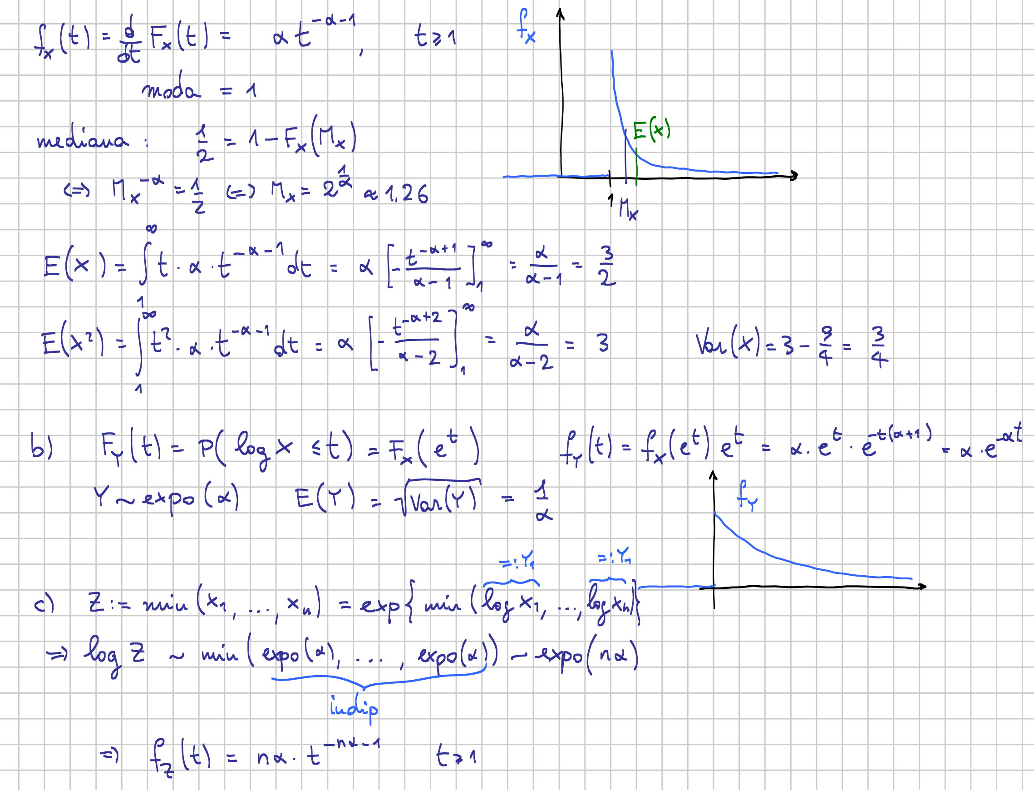

1.3
 |  |  |  |  |  | 14
 |  |  |  |  |  | 15.1
 |  |  |  |  |  | 13.9
 |  |  |  |  |  | 12.2
 |  |  |  |  |  | 14.9 |  |  | 1.2 | 1.44
 |  |  |  |  |  | 12 |  |  | 1.45 | 2.1025
 |  |  |  |  |  | 14.9
 |  |  |  |  |  | 12.9 |  |  |  | 1.77125
 |  |  |  |  |  | 16.1 |  |  |  | 1.3308831654
 |  |  |  |  |  | 13
 |  |  |  |  |  | 13.7
 |  |  |  |  |  | 15.8
 |  |  |  |  |  | 13.5
 |  |  |  |  |  | 13.9

 |  |  |  |  |  | 14 | n
 |  |  |  |  |  | 13.992857143 | X bar | 195.9
 |  |  |  |  |  | 1.2492855101 | Sx
 |  |  |  |  |  | 13 | gdl
 |  |  |  |  |  | 1.5607142857 | Sx²
a) |  | b) |  | c) |  | 20.289285714 | SSx
14.5 | μ0 | 15.33 | Y bar | 0.5 | pow
-1.5189120519 | stat | 1.45 | Sy | 0.1 | effect
 |  | 2.1025 | Sy²
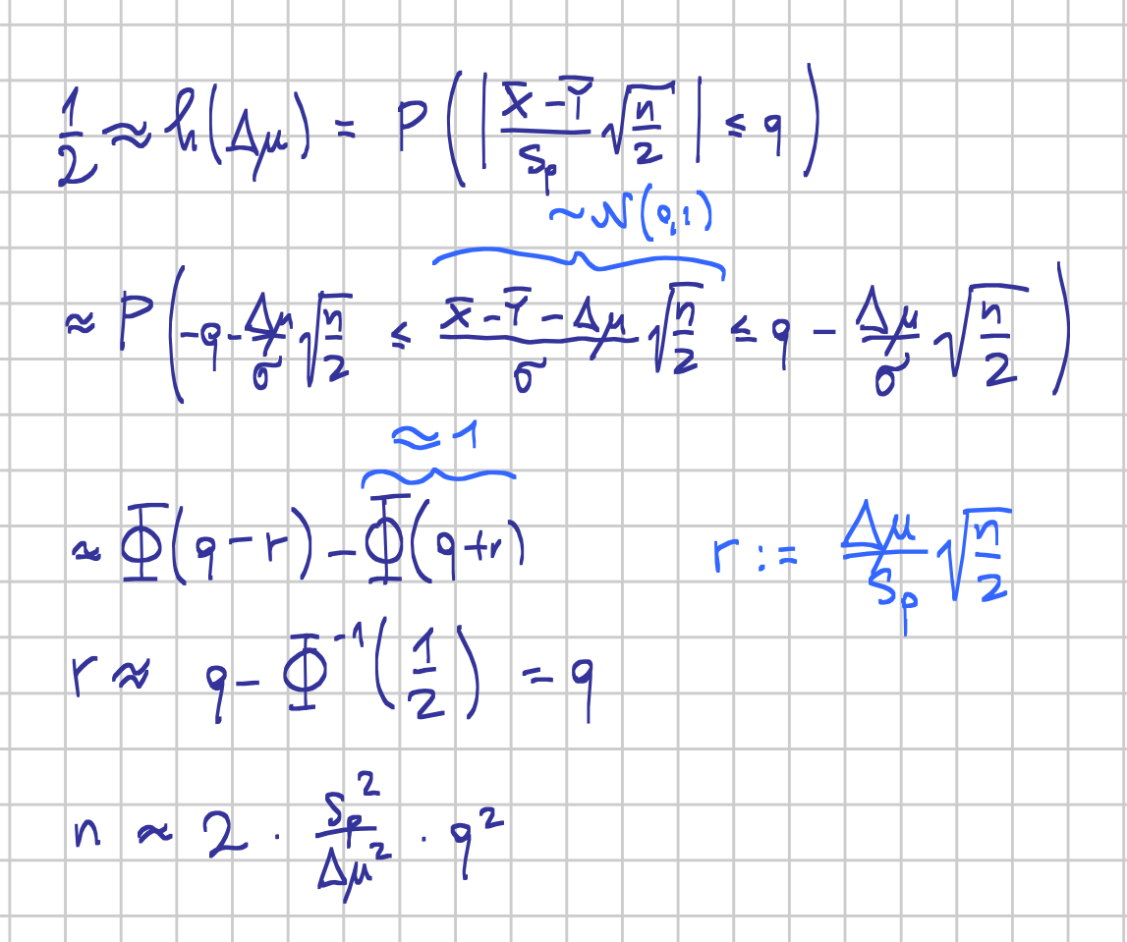
5% | α bar |  |  | 1.96 | q
2.1603686565 | q | 1.8316071429 | Sp² | 1.45 | Δμ
 |  | 1.3533688126 | Sp
Dico H0 |  | 26 | gdl | 1.96 | r

 |  | -2.6140305839 | stat | 6.6930258406

 |  | 1.47% | p-value

